Sheet1
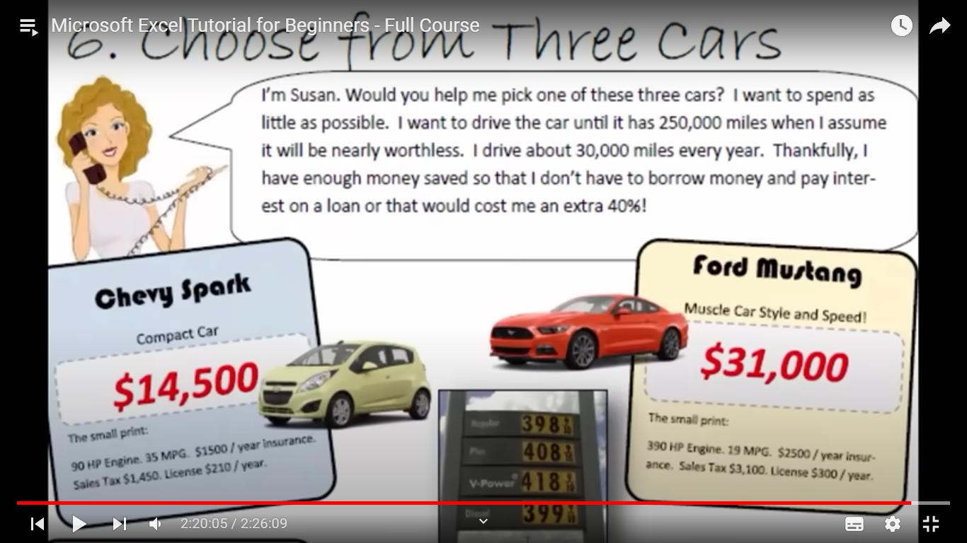
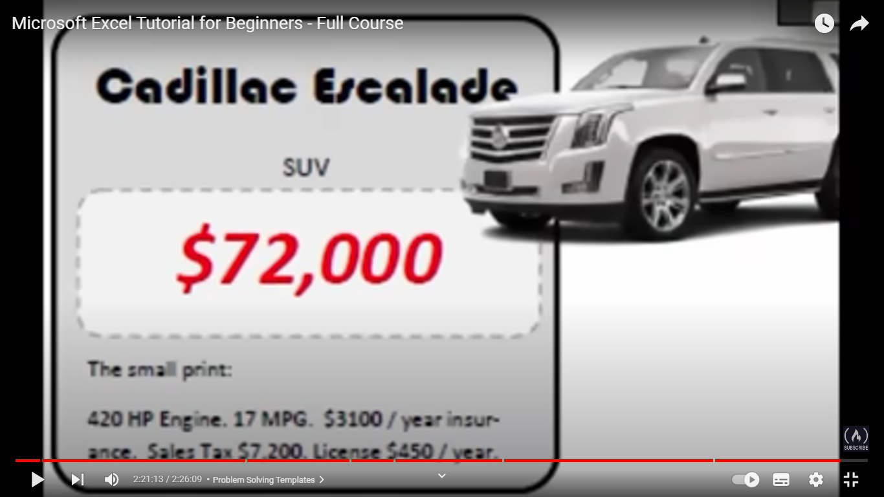
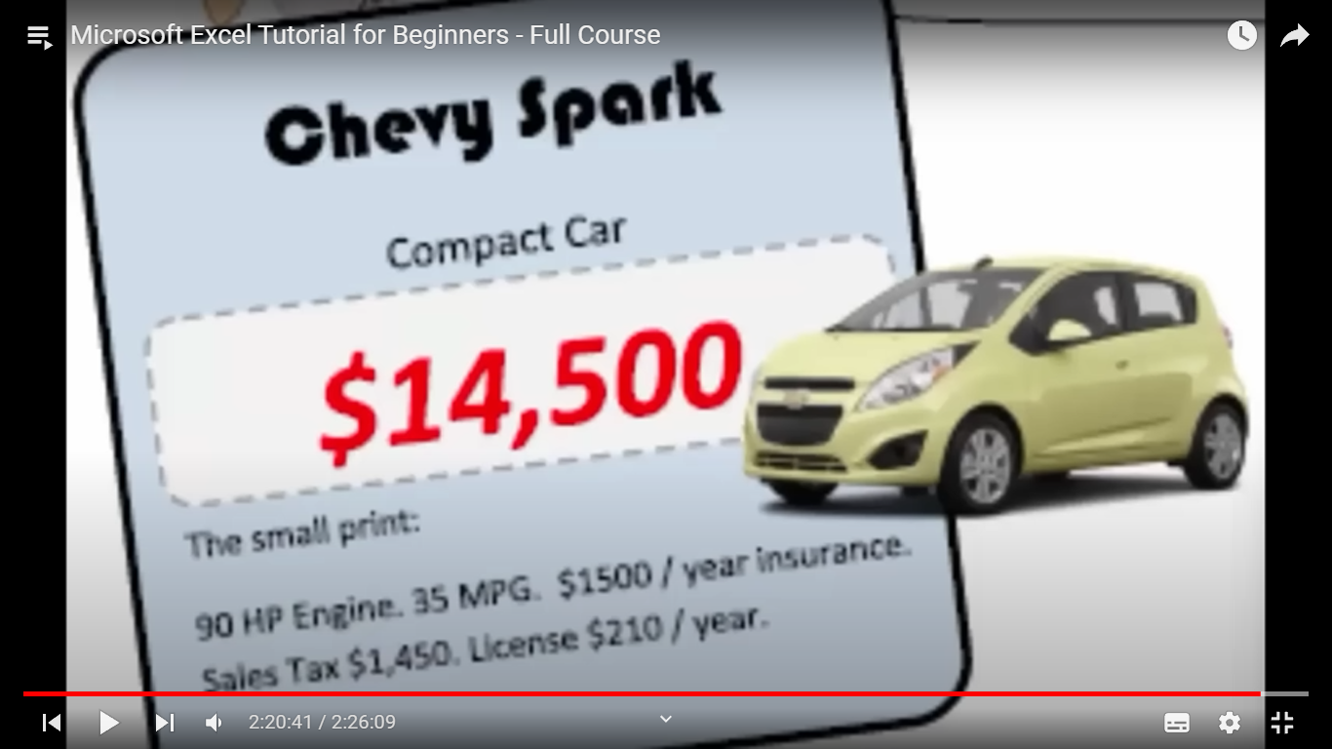
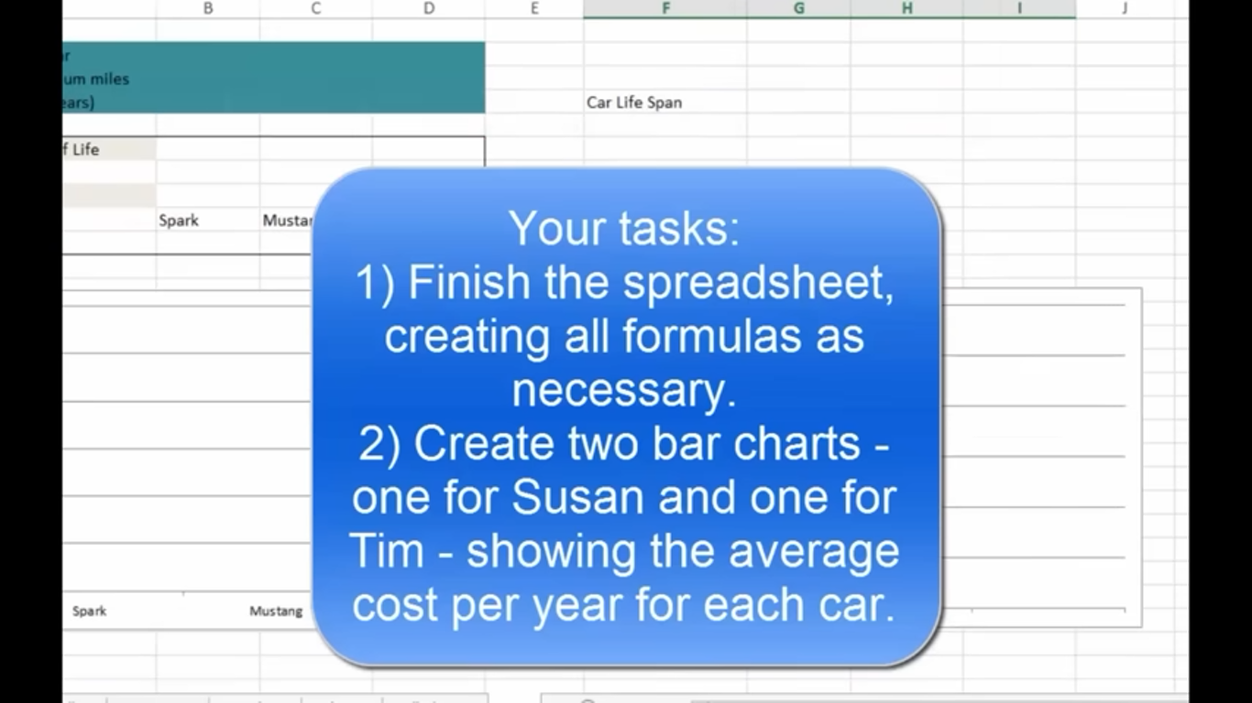

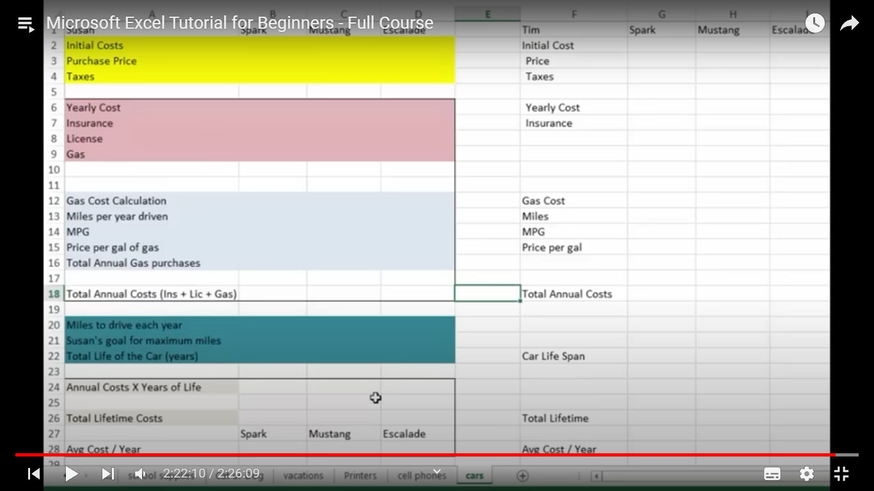

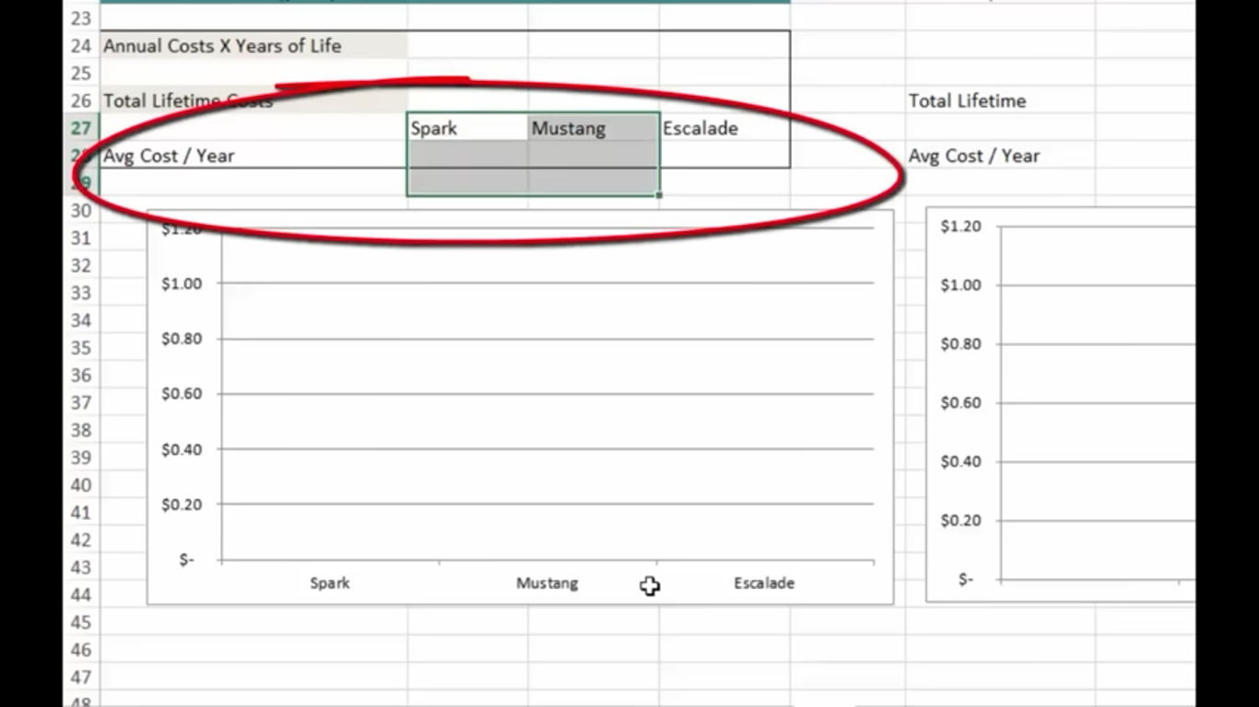

 | Chew Spark Ford Mustang Escalade
8571.6 | 3
15789.6
17647.2

susan | Chew Spark | Ford Mustang | Escalade | susan | Chew Spark | Ford Mustang | Escalade
Car price | 14500 | 31000 | 72000 | Car price | 14500 | 31000 | 72000
Engine power(HP) | 90 | 390 | 420 | Engine power(HP) | 90 | 390 | 420
Milege(MPG) | 35 | 19 | 17 | Milege(MPG) | 35 | 19 | 17
Size | compact | Muscle Car | SUV | Size | compact | Muscle Car | SUV

first down payment | 14500 |  |  | first down payment | 5800 | 12400 | 28800
 |  |  |  | Remaining Amount | 8700 | 18600 | 43200
 |  |  |  | Loan for 1 y @9% interest | 783 | 1674 | 3888
 |  |  |  | total amt for loan | 9483 | 20274 | 47088
 |  |  |  | EMI for 12 month | 790.25 | 1689.5 | 3924
per year |  |  |  | per year
Insurance | 1500 | 2500 | 3100 | Insurance per year | 1500 | 2500 | 3100
Insurance for 9 years | 13500 | 22500 | 27900 | Insurance for 9 years | 13500 | 22500 | 27900
Licence | 210 | 300 | 450 | Licence | 210 | 300 | 450
Licence for 9 years | 1890 | 2700 | 4050 | Licence per year | 1890 | 2700 | 4050
Sales Tax | 1450 | 3100 | 7200 | Sales Tax | 1450 | 3100 | 7200
Driving | 30000 | 30000 | 30000 | Driving | 30000 | 30000 | 30000
Drive upto miles | 250000 | 250000 | 250000 | Drive upto miles | 250000 | 250000 | 250000
years to drive | 8.3333333333 | 8.3333333333 | 8.3333333333 | years to drive | 8.3333333333 | 8.3333333333 | 8.3333333333
rounded off | 9 | 9 | 9 | rounded off | 9 | 9 | 9
price of petrol | 1.2 | 1.2 | 1.2 | price of petrol | 1.2 | 1.2 | 1.2
petrol required | 7143 | 13158 | 14706 | petrol required | 7143 | 13158 | 14706
Total price of petrol | 8571.6 | 15789.6 | 17647.2 | Total price of petrol | 8571.6 | 15789.6 | 17647.2

Total cost of owning a car | $31,340.00 | $59,300.00 | $111,150.00 | Total cost of owning a car | $32,123.00 | $60,974.00 | $115,038.00

 |  |  |  |  | Tim Should buy Chew Spark
Susan should buy Chew Spark

